DUE DATES OF INCOME TAX
 | What is Income Tax
 | It is a tax on Different Incomes like Salary income,Business Income etc

 | What is Income Tax Challan
 | It is a form used to pay Income Tax to Govt.Income Tax Challan form is Challan 280

 | What is Income tax Return (ITR)
 | It is a form containing details for different Incomes earned in a financial year
 | Example ITR 1 is for Salaried Person,ITR 4 Is for Small Business

 | What is Financial year
 | It Starts from 1 April and ends on 31 March.Current Financial year is 2020-21

 | What is Assessment Year
 | Income Tax Return of one Financial Year is filed Next Year
 | This Next Year is called Assessment Year

 | Current Financial Year is 2020-21
 | It starts from 1 April 2020 till 31 March 2021
 | ITR will be filed after end of the year
 | Since ITR is filed in next year,Financial Year 2020-21 is called Assessment Year 2021-22

 | Last Financial Year was 2019-20
 | ITR of this Financial Year is to be filled in 2020-21
 | So it is 2020-21 Assessment Year

 | DUE DATE FOR FY 2019-20(AY 2020-21)
 | Particulars | Salaried and Non Audit | Audit Case
 | ORIGINAL DUE DATE | 31-Jul-20 | 31-Oct-20
 | EXTENDED TO | 10-Jan-21 | 15-Feb-21
 | Due Date of this ITR is 10 Jan 2021/15 Feb 2021 but it can be filed till 31 Mar 2021 by paying late fees
 | After 31 Mar 2021,this ITR Cant be filed

Example

 | Financial Year | Assessment Year
 | 2018-19 | 2019-20
 | 2019-20 | 2020-21
 | 2020-21 | 2021-22
 | 2021-22 | 2022-23

Q1 | Suppose I earned Taxable Salary Income of 600000 in Jan 2020
 | Which Year ITR I have to File

 | Financial Year
 | Assessment Year

Q2 | What is Due Date for Filing this ITR?
 | Original Due Date
 | Extended to

Q3 | Can I file this ITR After this Date Also(Yes/No)

 | Till What Date

 | DUE DATE FOR FY 2019-20(AY 2020-21)
 | Particulars | Salaried and Non Audit | Audit Case
 | Without Latefees | 31-7-2020 10-Jan-2021 | 31-10-2020 15-Feb-2021
 | With Late fees of 5000 | 31-Dec-20 | 31-Dec-20
 | With Late fees of 10000 | 31-Mar-21 | 31-Mar-21
 | Exception
 | If income upto 250000,No Late fees .ITR Filing is also not compulsory
 | If income between 250000-500000,then 1000 Latefees

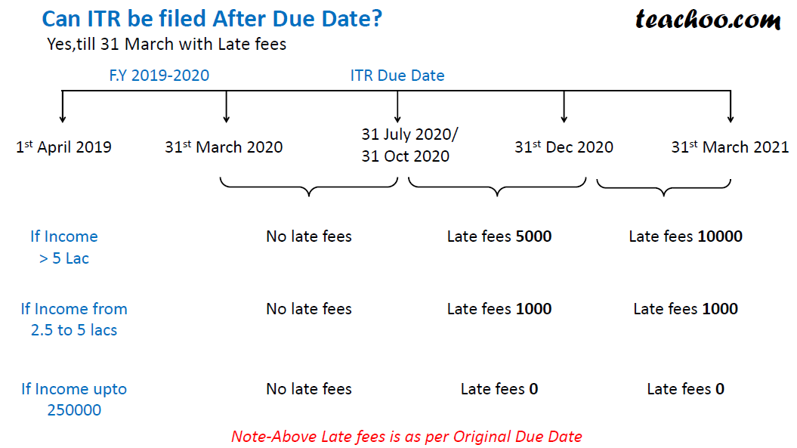

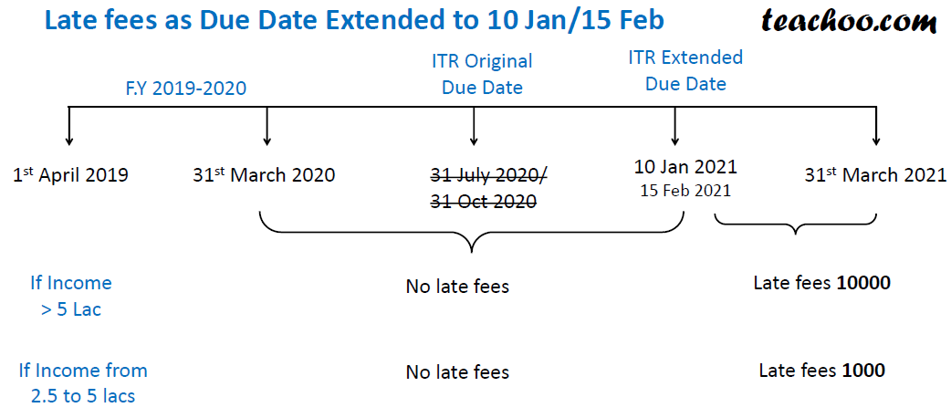

Q4 | Suppose I earned Taxable Salary Income of 600000 in Jan 2020
 | How much late fees is payable if
 |  | AS PER ORIGINAL DUE DATE | AS PER EXTENDED DATE
 | I File ITR on 18-Oct-20 | NO | NO
 | I File ITR on 18-Nov-20 | 5000 | NO
 | I File ITR on 18-Dec-20 | 5000 | NO
 | I File ITR on 18-Jan-21
 | I File ITR on 18-Mar-21
 | I File ITR on 18-Apr-2021

Q5 | Suppose I earned Taxable Salary Income of 400000 in Jan 2020
 | How much late fees is payable if
 |  | AS PER ORIGINAL DUE DATE | AS PER EXTENDED DATE
 | I File ITR on 18-Oct-20
 | I File ITR on 18-Nov-20
 | I File ITR on 18-Dec-20
 | I File ITR on 18-Jan-21
 | I File ITR on 18-Mar-21
 | I File ITR on 18-Apr-2021

Q6 | Suppose I earned Taxable Salary Income of 200000 in Jan 2020
 | How much late fees is payable if
 |  | AS PER ORIGINAL DUE DATE | AS PER EXTENDED DATE
 | I File ITR on 18-Oct-20
 | I File ITR on 18-Nov-20
 | I File ITR on 18-Dec-20
 | I File ITR on 18-Jan-21
 | I File ITR on 18-Mar-21
 | I File ITR on 18-Apr-2021

