e1 form
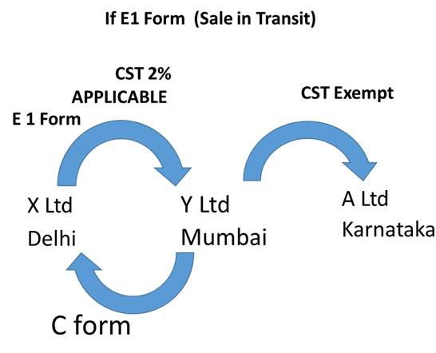

Suppose in the above chart, X Ltd sells goods of 100000 to Y ltd against C + E1 form who sells it to A ltd for 120000

Pass Entries for purchase and sales in books of Y ltd

